DS-1 Registration
Register your DS-1 Fifth Edition |  |  |  |  | 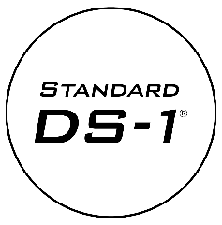
Please complete the following registration form in its entirety. As a registered owner of our standards you will receive: · Corrections and clarifications to the standard as they are published · Information on future editions

Registration Number
Each volume of the Standard DS-1 has a unique registration number. This number consists of a letter (M, D, I, T, B or A) and a number. The registration number is found on the registration card, located inside the front cover of the book. Examples: M3798, D0092

 |  | Select Volume |  | Enter Registration Number

Contact Information

 | First Name: |  | Last Name:

 | Company: |  | Job Title:

 | Address 1: |  | Address 2:

 | City: |  | State:

 | Zip/Postal Code: |  | Country:

 | Email: |  | Phone:

Comments
 | Please include additional registration numbers, address/email clarification, etc:

Return this form to: |  |  | ds1@bureauveritas.com

